Pivot table
Average of Income | Column Labels
Row Labels | No | Yes | Grand Total
Female | $85,000 | $68,750 | $74,167
Male | $78,182 | $72,727 | $75,455
Grand Total | $80,000 | $71,053 | $75,000

AVG INCOME PER PURCHASE

Count of Purchased Bike | Column Labels
Row Labels | No | Yes | Grand Total
0-1 Miles | 2 | 9 | 11
1-2 Miles | 2 | 3 | 5
2-5 Miles | 4 | 3 | 7
5-10 Miles | 3 | 2 | 5
More than 10 Miles | 4 | 2 | 6
Grand Total | 15 | 19 | 34

DISTANCE PER CUSTOMER
DISTANCE PER CUSTOMER

Count of Purchased Bike | Column Labels
Row Labels | No | Yes | Grand Total
Adolescent | 1 | 4 | 5
Middle Age | 12 | 12 | 24
Old | 2 | 3 | 5
Grand Total | 15 | 19 | 34

Dashboard
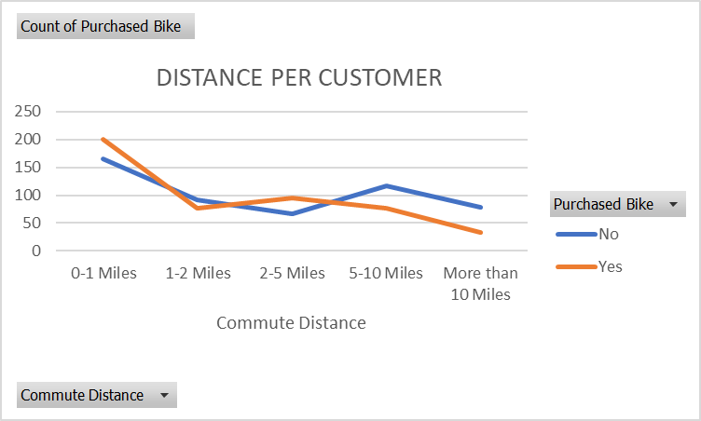
BIKE SALES DASHBOARD

AVG INCOME PER PURCHASE
 | No | Yes
Female | $85,000 | $68,750
Male | $78,182 | $72,727

